Doubt
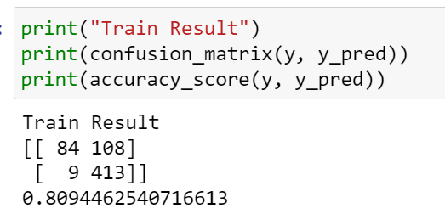
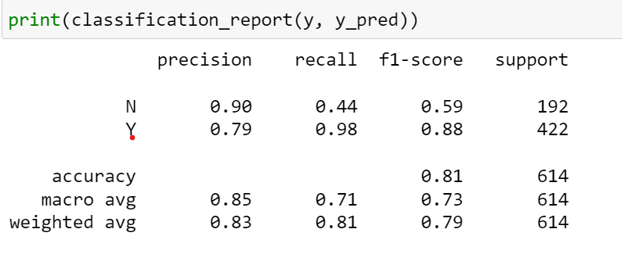

 |  |  |  |  | Recall : TP/Actual Positive, TP/(TP+FN) or TN/Actual Negative, TN/TN+FP
 |  |  | Actual |  | N | Y
 |  |  | N (Pos) | Y (Neg) | 84/(84+9) = 0.903 | 413/(413+108) = 0.79
 | Predicted | N (Pos) | 84(TP) | 108(FP)
 |  | Y (Neg) | 9(FN) | 413(TN) | Precision: TP/Predicted Positive, TP/(TP+FP) or TN/Predicted Negative, TN/TN+FN
Y 422 |  |  |  |  | N | Y
N 192 |  |  |  |  | 84/(84+108) = 0.437 | 413/(413+9) = 0.978

